Instructions
What's the Translator Scorecard? | FAQS
 | 1. What if I spot more than 5 errors?
The Translator Scorecard is to be completed by the Copy editor at the step of reviewing to gauge the quality of a translation pre-delivery. It is based on the DOF-MQM metric. It will be used to track a translator's translation quality over time and to help troubleshoot recurring issues. | Once you have logged up to 5 errors in total in the scorecard, please move on to the next section to provide comments on overall quality.

How to Fill-out the Scorecard? | 2. How can I identify a FAIL?
The scorecard contains three main sections: | Here is a general guideline: • A translation of 1,000 reviewed weighted wordcounts (WWC) with >1 major error or >3 minor accuracy errors is a fail. Errors refer to objective mistakes, not stylistic choices or suggested improvements. • For projects with more than 1,000 reviewed WWC, more than 1 major errors per 1000 WWC generally results in a Fail. • For longer projects with 20k+ WWC, more than 1 major errors per 2000 WWC generally results in a Fail. Copy editors need to requires taking all factors into account and then provide a general evaluation of PASA or FAIL. • Additionally, 1 or more Critical Errors will almost always result in a Fail. These numbers are intended as general guidelines; however, the overall severity of the errors, their location (e.g., Claims vs. Description), and the additional effort required during the CE step will also be considered when determining whether the translation passes or fails.
1. Task Details:
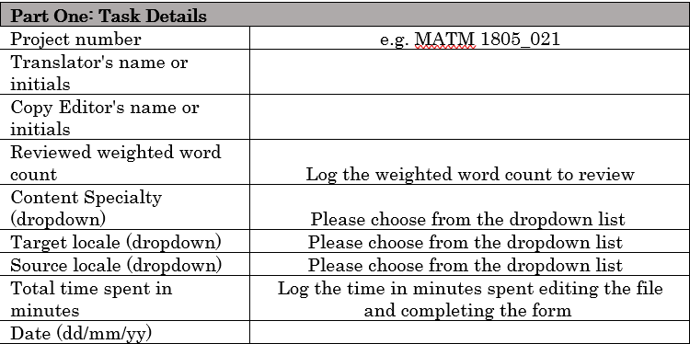

2. Errors:
Please log the major or critical errors you identify in the following order: Title, Claims, Abstract, and Specifications (if applicable). If the Title, Abstract, or Specifications sections are missing, focus exclusively on the errors in the Claims.

Please refer to the table in the Criteria sheet for explanations of the error categories and degrees of severity.

3. Overall Summary:
The copy editor provides an overall impression of the translation quality by choosing PASS or FAIL. A pass indicates that the translation is of such sufficiently good quality that it could be delivered to the client as is. A general guideline is that a translation of 1000 reviewed weighted words with >1 major error or >3 minor accuracy errors is a fail.
Please leave brief, but informative comments in the General Comments area: elaborate on errors marked and/or items that did not fit into the 5 error fields.

